1. Title Page
Instacart Grocery Basket Analysis

Project Name: Instacart Grocery Basket Analysis
Date: December 2022
Analyst Name: Nayera Ibrahim
“The Instacart Online Grocery Shopping Dataset
2017”, Accessed from https://www.instacart.com/datasets/grocery-shopping-2017 on
<date>.

Contents:
Population Flow
Consistency checks
Wrangling steps
Column derivations
Visualizations
Recommendations

Source: “The Instacart Online Grocery Shopping Dataset 2017”, Accessed from https://www.instacart.com/datasets/grocery-shopping-2017 on December 2022

2. Population Flow
Title page

Population flow

Exclusion flag
Condition: max_order <
Obervations to be removed:
Final total count of order_products_all:

Orders_products_combined
Orders_products_merged
Orders_products_all

Total: 32,436,252
Total: 32,434,489
Total: 32,436,252

1.) The grey boxes in the first row of the population flow represent the original data sets as they were when you downloaded them. In the Total fields you need to add the count of the rows when you imported the data set into Jupyter.
2.) The second row of boxes (coloured) represents the data sets after you manipulated them, e.g., removed missing values and duplicates. In the Total fields you need to add the count of the rows after conducting these operations. This offers a visual oveview of how the data flows throughout the data consistency checks.
3.) The third row, where also the arrows are coloured, represents the merges you performed between the datasets. In the Total fields you need to add the count of the rows in the merged datasets, so that you end up with the final dataset (in the red box). Keep in mind the final dataset should be without exclusions (based on the exclusion flag).

3. Consistency checks
 |  |  |  | Title page
Consistency checks

Dataset | Missing values | Missing values treatment | Duplicates
orders | There are 206,209 missing values from the 'days_since_prior_order' column. This indicates that there are no prior orders to the orders placed. | Replace the null values with zero. Since there has been zero days since the prior order.
products
orders_products_prior
customers

4. Wrangling steps
 |  |  |  | Title page
Wrangling steps

Columns dropped | Columns renamed | Columns' type changed | Comment/Reason
 |  | order_number | converted to string
 | user_id' became 'user_identifying_number'

5. Column derivations
 |  |  |  | Title page

Column derivations and aggregations

In this tab you should add tables below that the frequences of flags/label variables that you produced after deriving them. NB: don't do this for continuous variables, only for flags.
Dataset | New column | Column/s it was derived from | Conditions
orders_products_4_7.pkl | price_range_loc | prices | If price <= $5, label "low-range product" If price >$5 & <= $15, label "mid-range product" If price >$15, label “high-range product.”
orders_products_4_7.pkl | busiest_day | orders_day_of_week | If day 0, label "Busiest day" If day 4, label "Least busy" If else, label "Regularly busy"
orders_products_4_7.pkl | busiest_days | orders_day_of_week | If day 0 or 1, label "Busiest days" If day 3 or 4, label "Slowest days" If else, label "Regularly busy"
orders_products_4_7.pkl | busiest_period_of_day | order_hour_of_day | If order hour btween 9 and 16, label "Most orders" If order hour between 23 and 6, label "Fewest orders" If else, label "Average orders"
orders_products_merged.pkl | max_order | order_number | max order for each user
orders_products_merged.pkl | loyalty_flag | max_order | If max_order > 40, label "Loyal customer" If max_order >10 and <= 40, label "Regular customer" If max_order <=10, label "New customer"
orders_products_merged.pkl | avg_price | prices | Average of each product price
orders_products_merged.pkl | spender_flag | avg_price | If mean_price <10, label "Low spender" If mean_price >=, label "High spender"
orders_products_merged.pkl | cust_reg | days_since_prior_order | median number of days since prior order
orders_products_merged.pkl | frequent_flag | cust_reg | If median >20, label "Non-frequent customer" If median >10 & <=20, label "Regular customer" If median <=10, label "Frequent customer"

ords_prods_custs | Region | State | region1 = ['Maine', 'New Hampshire', 'Vermont', 'Massachusetts', 'Rhode Island', 'Connecticut', 'New York', 'Pennsylvania', 'New Jersey']
 |  |  | region2 = ['Wisconsin', 'Michigan', 'Illinois', 'Indiana', 'Ohio', 'North Dakota', 'South Dakota', 'Nebraska', 'Kansas', 'Minnesota', 'Iowa', 'Missouri']
 |  |  | region3 = ['Delaware', 'Maryland', 'District of Columbia', 'Virginia', 'West Virginia', 'North Carolina', 'South Carolina', 'Georgia', 'Florida', 'Kentucky', 'Tennessee', 'Mississippi', 'Alabama', 'Oklahoma', 'Texas', 'Arkansas', 'Louisiana']
 |  |  | region4 = ['Idaho', 'Montana', 'Wyoming', 'Nevada', 'Utah', 'Colorado', 'Arizona', 'New Mexico', 'Alaska', 'Washington', 'Oregon', 'California', 'Hawaii']
ords_prods_custs | activity_flag | max_order' | If 'max_order' <= 5, then 'Low Activity'; If 'max_order' >5, then 'High Activity'
ords_prods_custs_normal | age_group | age
ords_prods_custs_normal | income_group | income | - Customers salary less than 100,000 = low income - Customers salary between 100,000 - 200,000 = middle income - Customers salary between 200,000 - 400,000 = upper middle income - Customers salary between >400,000 = high income
ords_prods_custs_normal | department | department_id | mapping where department is equal with department_id
ords_prods_custs_normal | baby_status | department | Where department is equal with babies
ords_prods_custs_normal | frozen_status | department | Where department is equal with frozen
ords_prods_custs_normal | household_size | n_dependants | - n_dependants = 0, single household - n_dependants between 1-2, small household - n_dependants between 2-3, large household

6. Visualizations
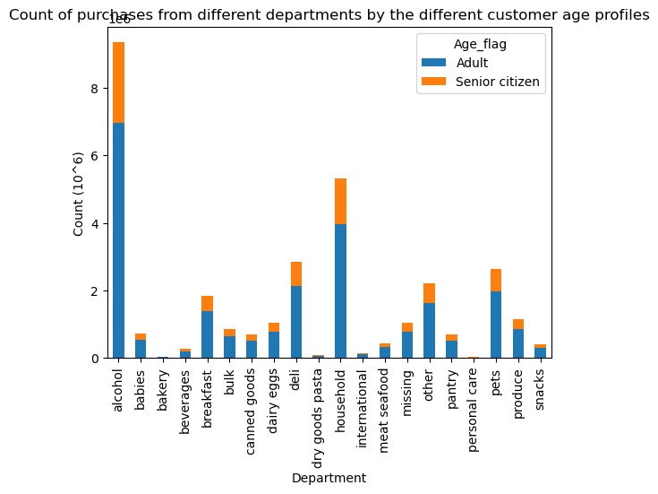
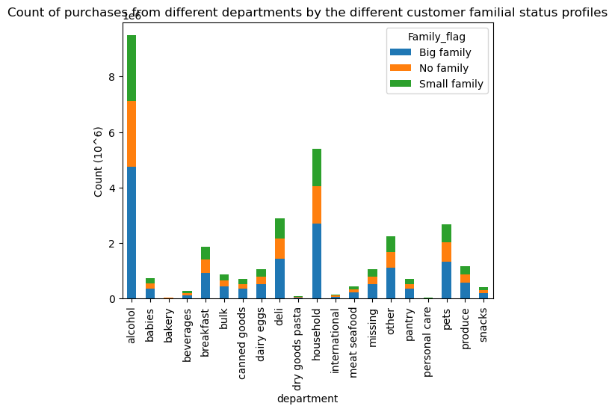
 | Title page

Visualisations

In this tab you should include all the visualtions from Exercises 4.9 and 4.10, alongside the questions from the project brief that they answer. Include any commentary on the relationship between different variables.

Key Questions
● The sales team needs to know what the busiest days of the week and hours of the day are (i.e., the days and times with the most orders) in order to schedule ads at times when there are fewer orders.
Busiest day of the week (0=Saturday, 6=Friday). Saturday is the busiest day of the week

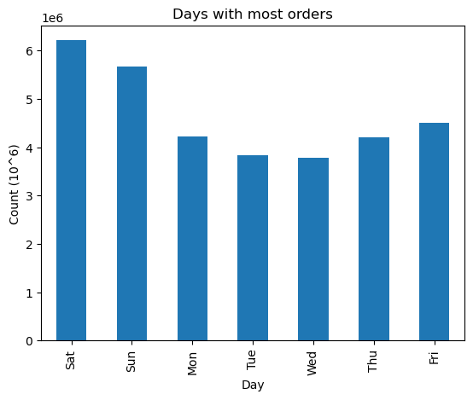

Busiest hour of the day
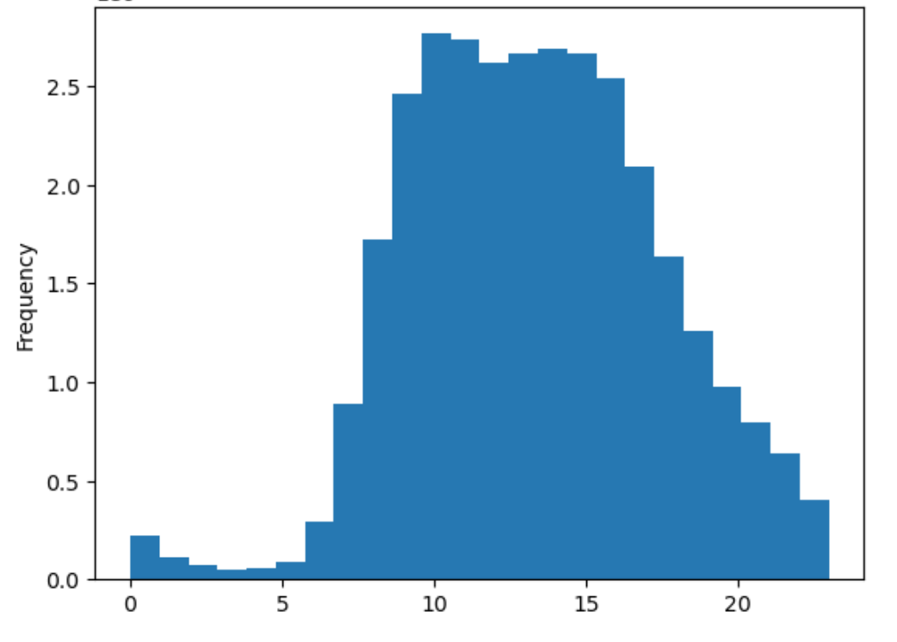

Orders peak between 9 am and 4 pm

● They also want to know whether there are particular times of the day when people spend the most money, as this might inform the type of products they advertise at these times.
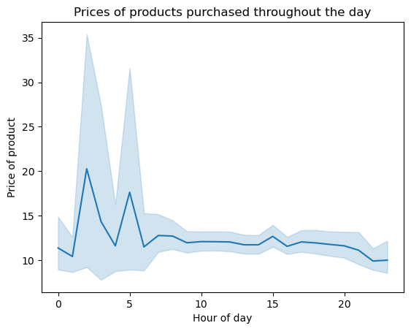

More expensive things are bought during the very early hours of the day.

● Are there certain types of products that are more popular than others? The marketing and sales teams want to know which departments have the highest frequency of product orders.

Household items and alcohol are the two most popular items across consumers

● The marketing and sales teams are particularly interested in the different types of customers in their system and how their ordering behaviors differ. For example:
● What’s the distribution among users in regards to their brand loyalty (i.e., how often do they return to Instacart)?
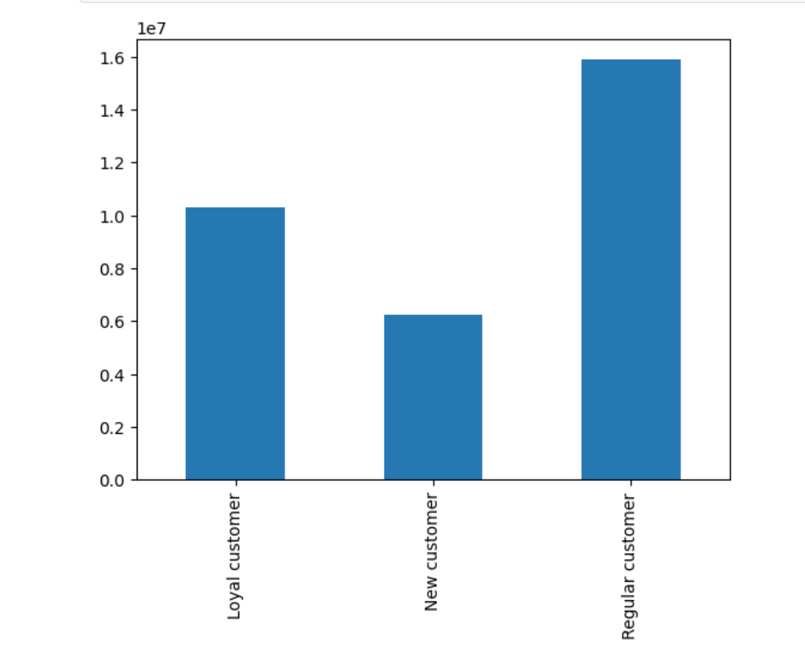

The majority of consumers are regular consumers whose maximum order is over 10 but less than or equal to 40

● Are there differences in ordering habits based on a customer’s loyalty status?
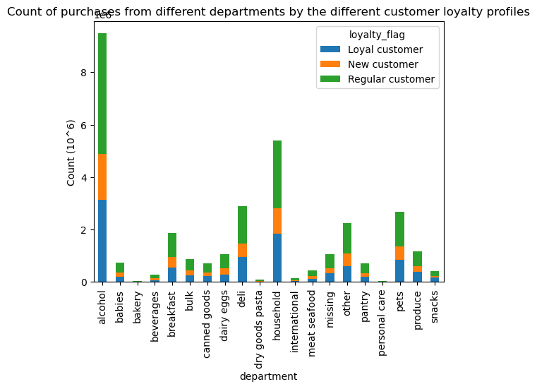

No differences in ordering habits can be found based on the loyalty status. All consumers buy household and alcohol more than other items.

● Are there differences in ordering habits based on a customer’s region?
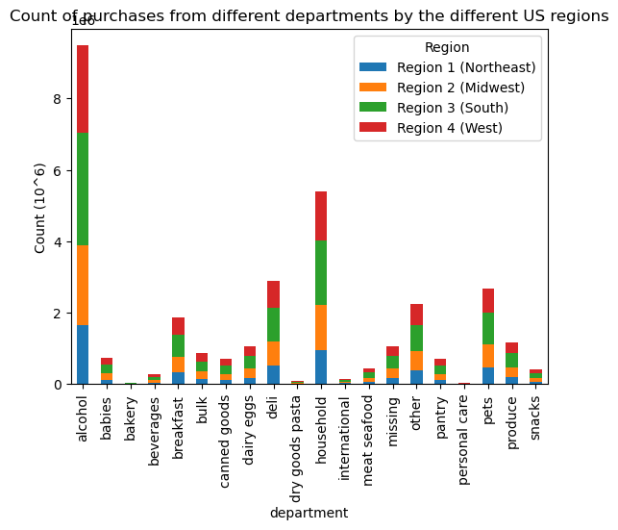

The southern part of the US are the heaviest alcohol and household products consumers followed by the midwestern region

● Is there a connection between age and family status in terms of ordering habits?

7. Recommendations
 |  |  |  |  |  | Title page

Recommendations

In this tab you should include any recommendations you would made to Instcart in terms of their marketing strategy based on the questions posed in the brief. Every key question has been covered in the Tasks of the Exercises - here you need to add an item - a visualisation or table/crosstable that is showing the answer in the data, acompanied by a comment from you. Please, list the questions below and add the answer underneath.

Question | Answer |  | Recommendation
Key Question 1 | Saturday is the busiest day |  | Increase promotions throughout the week to encourage purchases throughout the week

Key Question 1 | between 9 am and 4 pm |  | Ensure that Instashop software infrastructure are robust enough to handle the traffic during the peak hours

Key Question 2 | More expensive things are bought during the very early hours of the day. |  |  | This is a good time to increase targeted ads to encourage more spending

Key Question 3 | Household items and alcohol are the two most popular items across all consumers |  |  | The product portfolio for those two categories should be diversified further to retain the customers.

Key Question 4 |  | The majority of consumers are regular consumers whose maximum order is over 10 but less than or equal to 40 |  |  | Loyal customers should be provided more advantages than regular cards such as a loyalty card and personalised discounts to encourage more loyal customers.

Key Question 5 | No differences in ordering habits can be found based on the loyalty status. All consumers buy household and alcohol more than other items. |  |  |  |  | None

Key Question 6 | The southern part of the US are the heaviest alcohol and household products consumers followed by the midwestern region |  |  |  | Further market research should be carried out to understand what makes southern consumers the heaviest consumers of those products.

Key Question 7 | Big families consume more alcohol and household products than small families and single consumers. Alcohol and household produce are most popular purchases by above and below average income consumers and adults and senior citizens

